Fabric Booking
Fabric Booking
SL | Menu | Event | Story | Dependancy
 | Fabric Booking | Create New (Button) | Super Admin (Can get all List)
 |  |  | Admin User (Will get Companies all Unit)
 |  |  | Specific Unit Wise Permission user will get only permitted Company
 |  |  | Data will save Company wise
 |  |  | Search Field will be against "Budget Reference and Style Name"
 |  |  | "Basis" that should be a dropdown field (Main or Short)
 |  |  | Buyer*, Fabric Source*(Auto from budeget), Supplier Name*, Fabric Composition, Dealing Merchant, will come auto by Budget Reference
 |  |  | Style* (Dropdown) - If Select Style then Budget Reference - Style will come auto and If Budget is Multiple against Style then Multiple Budget Reference show in dropdown & can select multiple. Budget Reference * (Dropdown) - If Select Budget ID then the style will auto-come. Main Booking ID - Multiple Select For Short Booking. # Get Data Button Basis* (Hardcoded Dropdown - Main, Short) Buyer* (Auto From Budget Reference) Booking Date (Calender - Current Date Auto selected auto) Supplier Name* (Auto From Budget Reference) Delivery Date* (Calender) Inhouse Date (Calender) Pay Mode* (Hardcoded Dropdown - Credit, Import, In House, Within Group) Source* (Hardcoded Dropdown - Abroad/Import, Epz, Non-Epz/Local, In House/Inventory) Currency (Dropdown from Master) Attention (Text & Last Entry will suggest) Remarks (Text) Collar & Cuff info (Browse Option) Terms & Condition (Browse Option) Collar & Cuff info (Browse Option) PO Number (From previous entry) Garments Color (From previous entry) Garments Size (From previous entry) Item Size (From previous entry) Garments Qty (Pcs) (Integer) Excess % (Integer) Total Qty (Pcs) (Garments Qty (Pcs) + Excess %) Terms & Condition (Browse Option) Terms & Condition (Text) Add a line | Basis - If you Select Main then - Main Booking will be Generated & If you Select Short then the Main Booking will show in the list and can add Short Booking # If Select Short - then a new Field will Generate (Booking Reference) Should be against - multiple Select # For Short Booking - Until Complete the Main Booking Quantity, Short Booking Quantity doesn't enable - After completing the Full Main Booking Quantity then Short Booking will be enabled. # Booking data will automatically come to 2nd Step List by PO & Fabrication wise # If Booking is done all quantities for a PO or Fabrication or Body Parts then it doesn't come again - as the booking is done for a particular PO or Fabrication or Body Parts # If the Budget is Multiple against style then - Multiple Booking shows PO or Fabrication or Body Parts-wise
 |  |  | 2nd phase will come automatically after putting the style or unique ID.( after clicking the save button)
 |  | Booking Details (2nd phase of Entry) | Booking Details - Buyer (From Budget Reference) Style (From Budget Reference) PO (From Budget Reference) Garments Item (From Budget Reference), Body Parts (From Budget Reference), Garments Color ( From Budget Reference) Fabric Color (Data same as Item Color), Yarn Type (From Budget Reference - If Production), Embellishment Type (From Budget Reference), Embellishment Name (From Budget Reference), Fabric Type (From Budget Reference), Fabric Composition (From Budget Reference), GSM (From Budget Reference), Fabric Dia (From Budget Reference - Grey Consumption), Lab Dip (Text), Garments Quantity (From Budget Reference - Grey Consumption), Total Fabric Quantity (KG) - (From Budget Reference - Grey Consumption - PO Quantity), UOM (From Budget Reference), Budget Quantity (From Budget Reference), Work Order Quantity (From Budget Reference), Rate (Float), Amount (Auto Calculate = Work Order Quantity x Rate), Booking By (User Name) Action (Edit, Delete) | # For Short Booking - The "Short Booking Quantity" field will be added in 2nd step List.
 |  | List Page | Search Field needed - Time Range (From-To), Buyer (Multiple Adding), Style/PO (Multiple Adding) After searching Time Range & Buyer - Need to search Approved Budgeted Style, No. of style (Booking Placed), No. of style (Booking Pending)
 |  |  | Fabric Booking Reference, Created Date, Basis, Buyer, Style, PO, Fabric Source, Garments Item Body Parts Fabric Color Yarn Type Embellishment Type Embellishment Name Fabric Type Fabric Composition GSM Fabric Dia Lab Dip No Garments Quantity UOM Budget Quantity Work Order Quantity Short Booking Quantity Average Rate Amount Approval Status, Booking By (User Name with Time and Date), Remarks Action (View, Edit)
 |  |  | As per new design with PDF & Excel
 |  | Search | As per new search design
 |  | View Page | 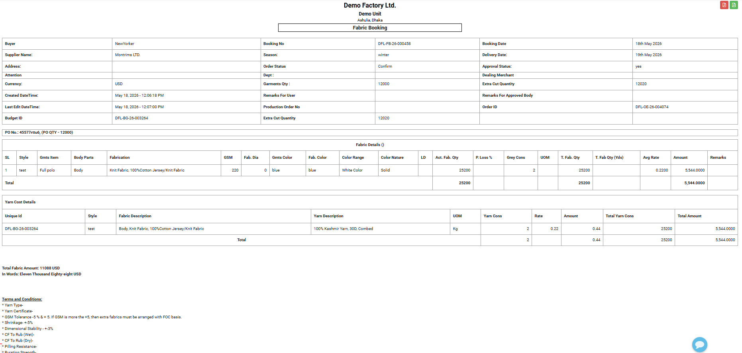 The list will be - SL, Buyer, Style, PO, Garments Type, Body Parts, Garments Color, Fabric Color, Yarn type, Yarn Tag, Garment Certificate, Embellishment type, Fabric Type, Fabric Composition, GSM, Fabric Dia, Lap Dip, Garments Quantity, Total Fabric Quantity (KG), UOM, Average Rate, Amount

Fabric Booking Approval
SL | Menu | Event | Story | Dependancy
 |  |  | Search Field needed - Time Range (From-To), Buyer (Multiple Adding), Style/PO (Multiple Adding), Approval Type (Approved, Unapproved) After searching Time Range & Buyer - Need to search Approved (Today/Month/year), Approval request (Today/Month/Year), Approved (Kg) - Approval Request (kg)
 |  |  | List will be - SL, Buyer, Style, PO, Garments Color, Fabric Color, Yarn type, Yarn Tag, Garment Certificate, Embellishment type, Embellishment Name, fabric Type, Fabric Composition, GSM, Fabric Dia, Lap Dip, Garments Quantity, Fabric Consumption, Total Fabric Quantity (KG), Booking Type, Average Rate, UOM, Amount quantity, Amount Booking, Quantity ($), Quantity (Yds), Request by & Date, Approved by & Date, Approved Status (Yes/No)

